Regional Map
2019 REQUEST FOR INFORMATION
NYS WIC ACCEPTABLE FOODS
Regional Map - NYS

For each food product listed in the "Product Information Charts" indicate where the product is currently sold in New York State using this Regional Map and Key.

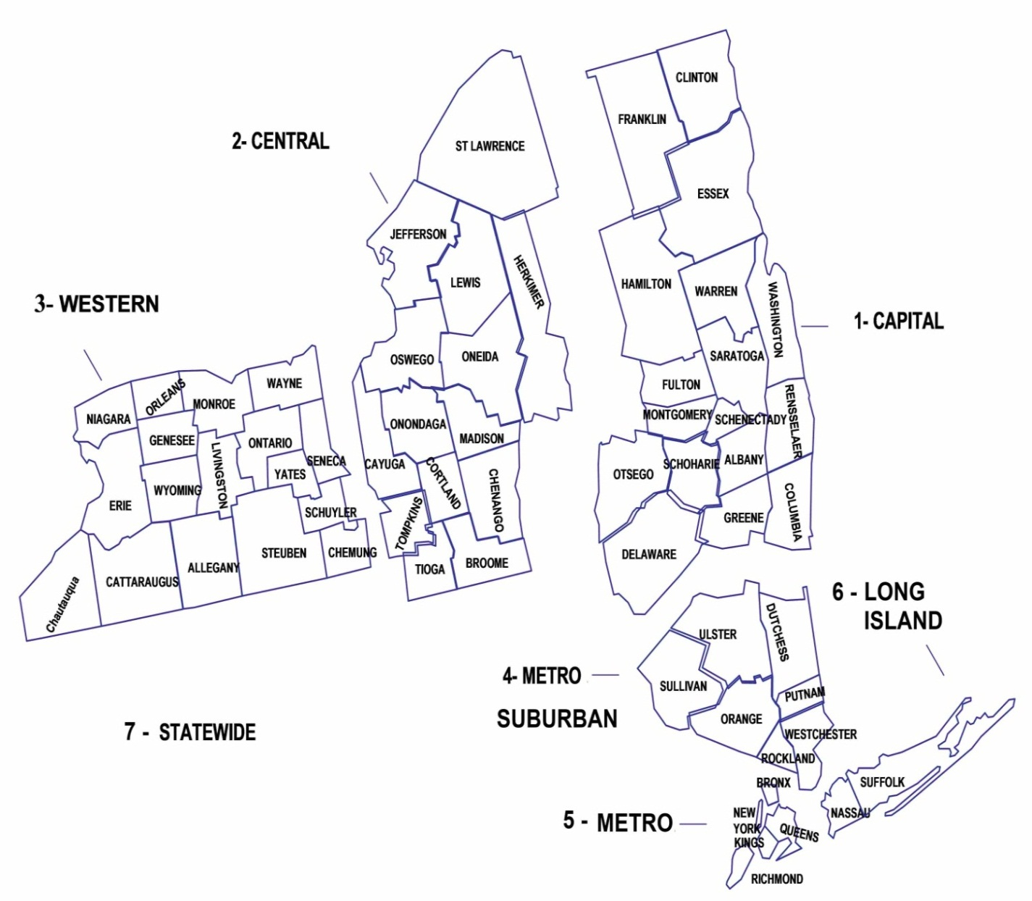
 |  | Key
 | Capital |  | 1
 | Central |  | 2
 | Western |  | 3
 | Metro- Suburban |  | 4
 | Metro |  | 5
 | Long Island |  | 6
 | Statewide |  | 7

 | Examples:
 | 1) If a product is sold in Central and Western you would indicate: 2,3

 | 2) If a product is sold statewide you would indicate: 7

