Salient Dashboards
How to filter the HARP Enrollment dashboard to obtain outreach and enrollment data (6 steps)

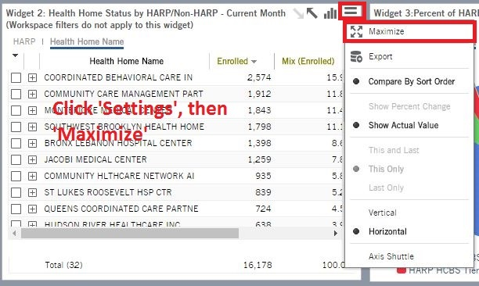
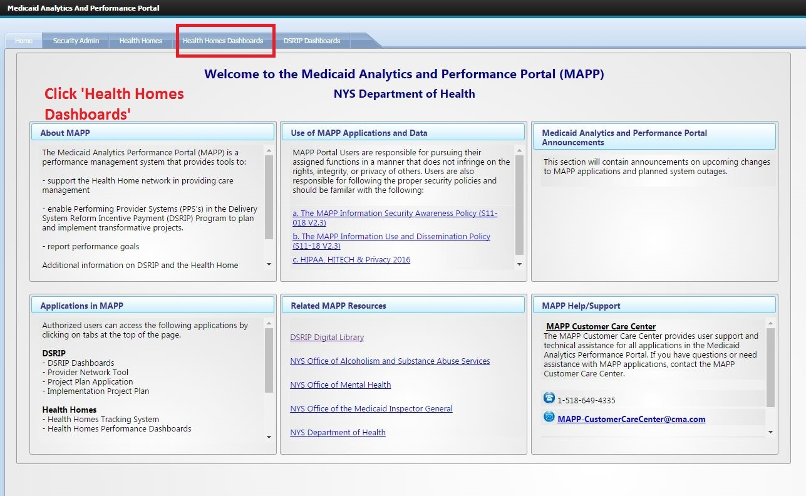
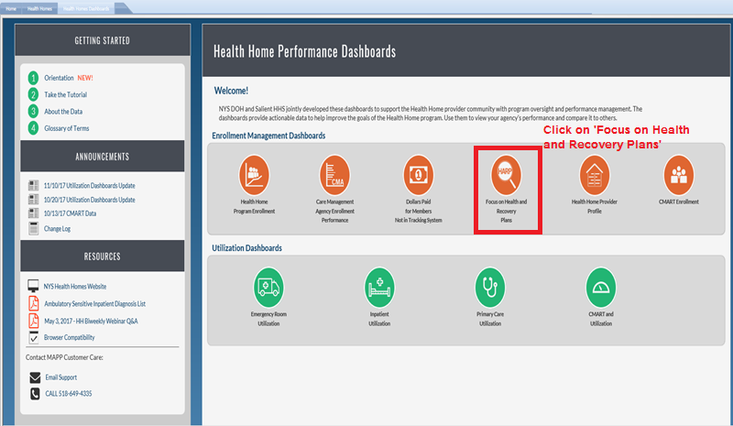
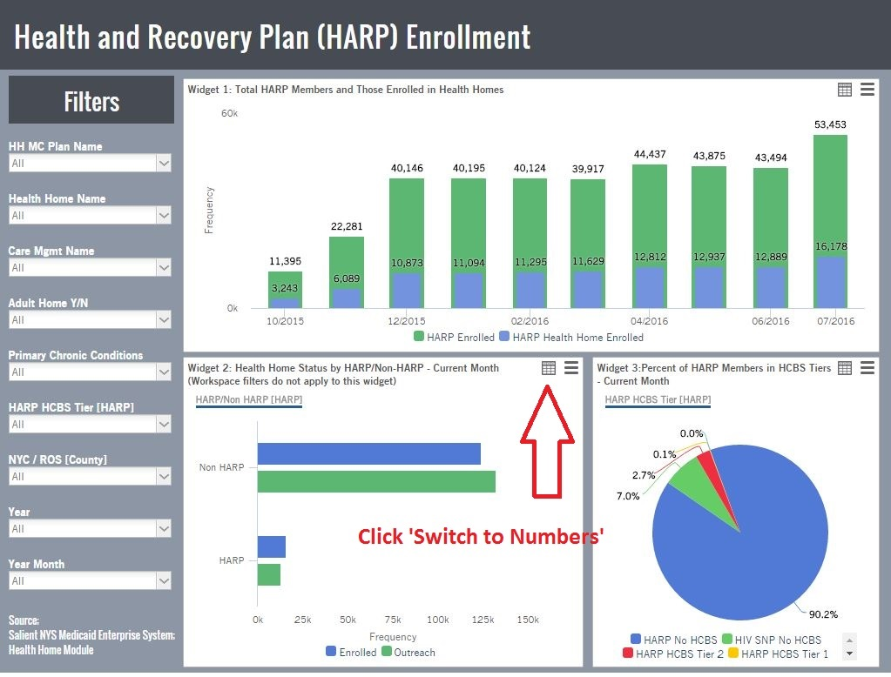
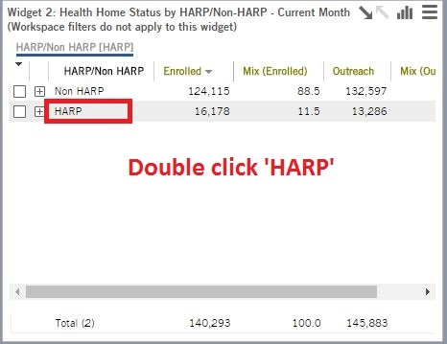
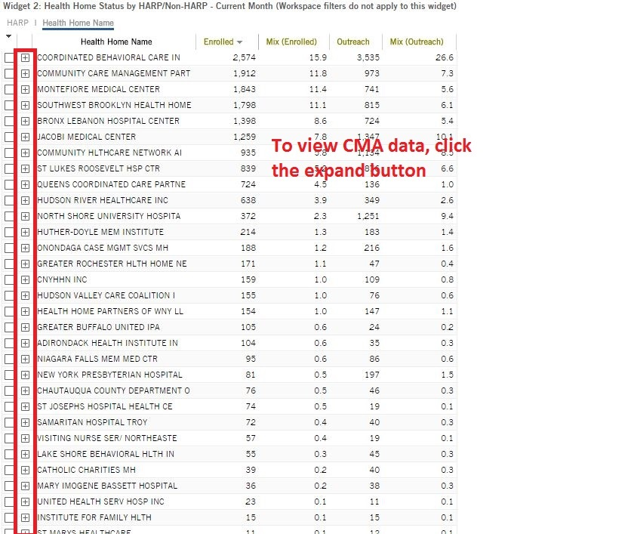
 | 1 | Log in to the MAPP dashboards and click on "Health Homes Dashboards" | 2 | Click "focus on Health and Recovery Plans" | 3 | Click 'Switch to Numbers" | 4 | Double click "HARP" | 5 | Click "Settings", then "Maximize" | 6 | To view CMA Data, click the expand button
 |  |  |  |  |  |  |  | 4

