Reporting Guidance
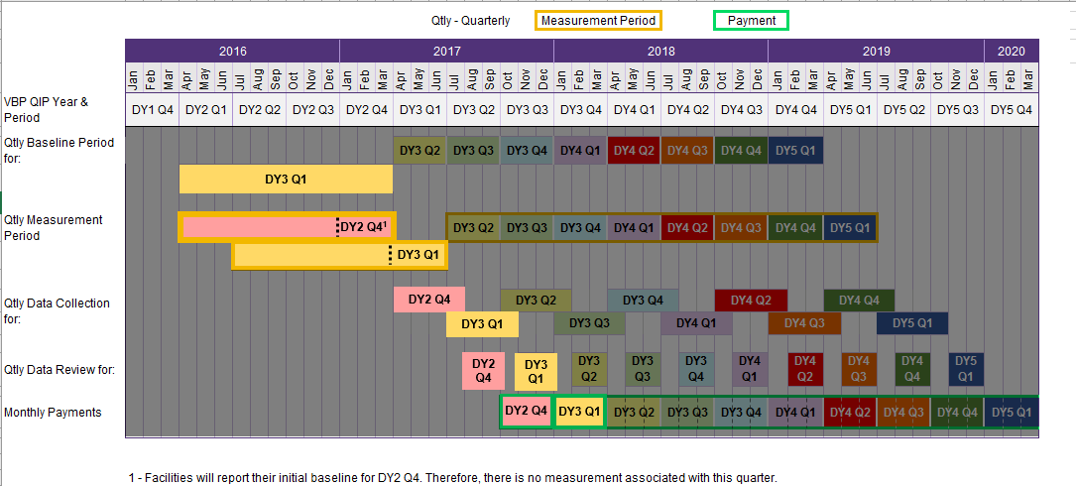
Reporting on performance of P4P quality measures is a critical part of VBP QIP starting in DY3. Quarterly award dollars based on performance of quality measures will start in DY3 Q3. The DY3 Q3 payment is tied to performance in DY2 Q4 (April 2016 – March 2017); however, this performance period is currently underway. Facilities will earn the DY3 Q3 payment by reporting baselines for all of its selected VBP QIP P4P measures to their paired MCO on time. In the next quarter, DY3 Q4, to receive P4P payments, facilities must demonstrate they have maintained or improved their P4P quality measures’ rolling annual results for DY3 Q1 compared to the rolling annual results for these same measures in DY2 Q4 (baseline). VBP QIP partners should keep in mind that although performance is measured on a quarterly basis, VBP QIP payments are still expected to be paid out on a monthly basis. The figure below outlines P4P activities that should take place during DY3 related to QIT. Participants should note that there are P4P activities, such as data collection, data review, etc., that are tied to payments in future years that should take place in DY3. Additionally, some payments in DY4 are tied to measurement periods in DY3.

